Sheet1
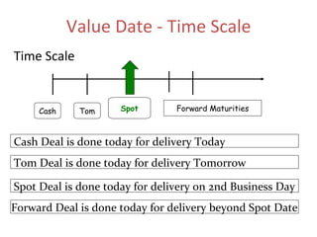
Forex Market Forwards Chart

 | Forward Premia | BID | ASK | Forward SwapPoint | BID | ASK | Forward Rates | BID | ASK
 |  |  |  |  |  |  | Spot ₹/$ | ₹ 85.25 | ₹ 85.30
 | 1M Forward % premia | 2.11% | 2.53% | 1M Forward Swap Point | 15 | 18 | 1M Forward ₹/$ | ₹ 85.40 | ₹ 85.48
 | 2M Forward % premia | 2.46% | 2.95% | 2M Forward Swap Point | 35 | 42 | 2M Forward ₹/$ | ₹ 85.60 | ₹ 85.72
 | 3M Forward % premia | 0.70% | 0.23% | 3M Forward Swap Point | 15 | 5 | 3M Forward ₹/$ | ₹ 85.10 | ₹ 85.25
 | 6M Forward % premia | 1.29% | 0.82% | 6M Forward Swap Point | 55 | 35 | 6M Forward ₹/$ | ₹ 84.70 | ₹ 84.95
 | 12M Forward % premia | 0.41% | 0.76% | 12M Forward Swap Point | 35 | 65 | 12M Forward ₹/$ | ₹ 85.60 | ₹ 85.95
Forward Price Over the Year

